Sheet1
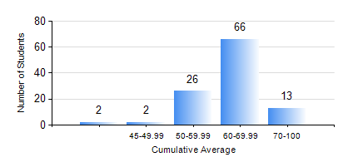
 |  |  | KWAME NKRUMAH UNIVERSITY OF SCIENCE AND TECHNOLOGY, KUMASI Department of Agricultural and Biosystems Engineering

 |  |  | BSC. AGRICULTURAL ENG.

 |  |  | COMPREHENSIVE RECORD OF EXAMINATION RESULTS

 |  |  | RESULTS OF YEAR 1 SECOND SEMESTER, 2019/2020 ACADEMIC YEAR

 | Sn | Course Code |  | Course Name | Credit Hours | Min. Mark | Max. Mark | Avg. Mark | Std. Dev. | No. Passed | No. Trailed | No. (Df) | No. (I) | No. (I*) | No. Tagged(I,I*,Df) | Total
 | 0. |  |  |  |  |  |  | 0 | 0 | 0 | 0 | 0 | 0 | 0 | 0 | 2
 | 1. | AE 158 |  | INTRODUCTION TO INFORMATION TECHNOLOGY | 2 | 40 | 98 | 77 | 15.43 | 107 | 0 | 0 | 0 | 0 | 0 | 107
 | 2. | AE 162 |  | BASIC AGRICULTURE | 2 | 59 | 87 | 72 | 7.9 | 106 | 0 | 0 | 1 | 0 | 1 | 107
 | 3. | AE 196 |  | ENGINEERING WORKSHOP PRACTICE | 1 | 40 | 88 | 75 | 8.73 | 106 | 0 | 0 | 1 | 0 | 1 | 107
 | 4. | EE 152 |  | BASIC ELECTRONICS | 3 | 40 | 94 | 62 | 15.98 | 107 | 0 | 0 | 0 | 0 | 0 | 107
 | 5. | ENGL 158 |  | COMMUNICATION SKILLS II | 2 | 60 | 87 | 79 | 5.17 | 104 | 0 | 0 | 3 | 0 | 3 | 107
 | 6. | MATH 152 |  | CALCULUS WITH SEVERAL VARIABLES | 4 | 52 | 82 | 71 | 7.23 | 106 | 0 | 0 | 1 | 0 | 1 | 107
 | 7. | ME 160 |  | ENGINEERING DRAWING | 3 | 42 | 87 | 64 | 11 | 105 | 0 | 0 | 2 | 0 | 2 | 107
 | 8. | ME 162 |  | BASIC MECHANICS | 3 | 41 | 86 | 61 | 9.91 | 106 | 0 | 0 | 1 | 0 | 1 | 107

